IBM Maximo healthy
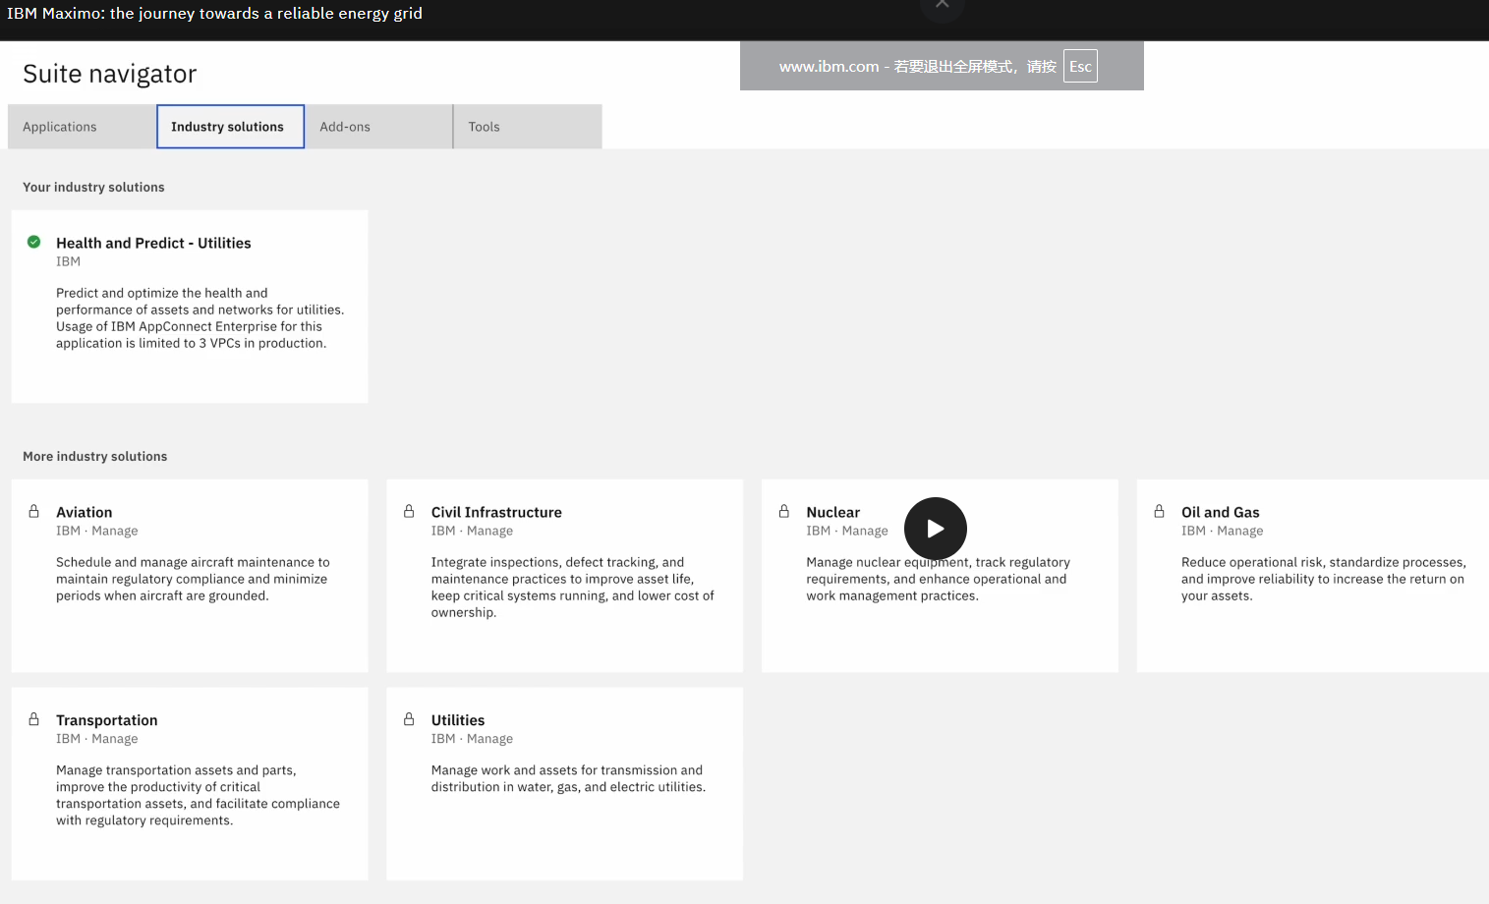
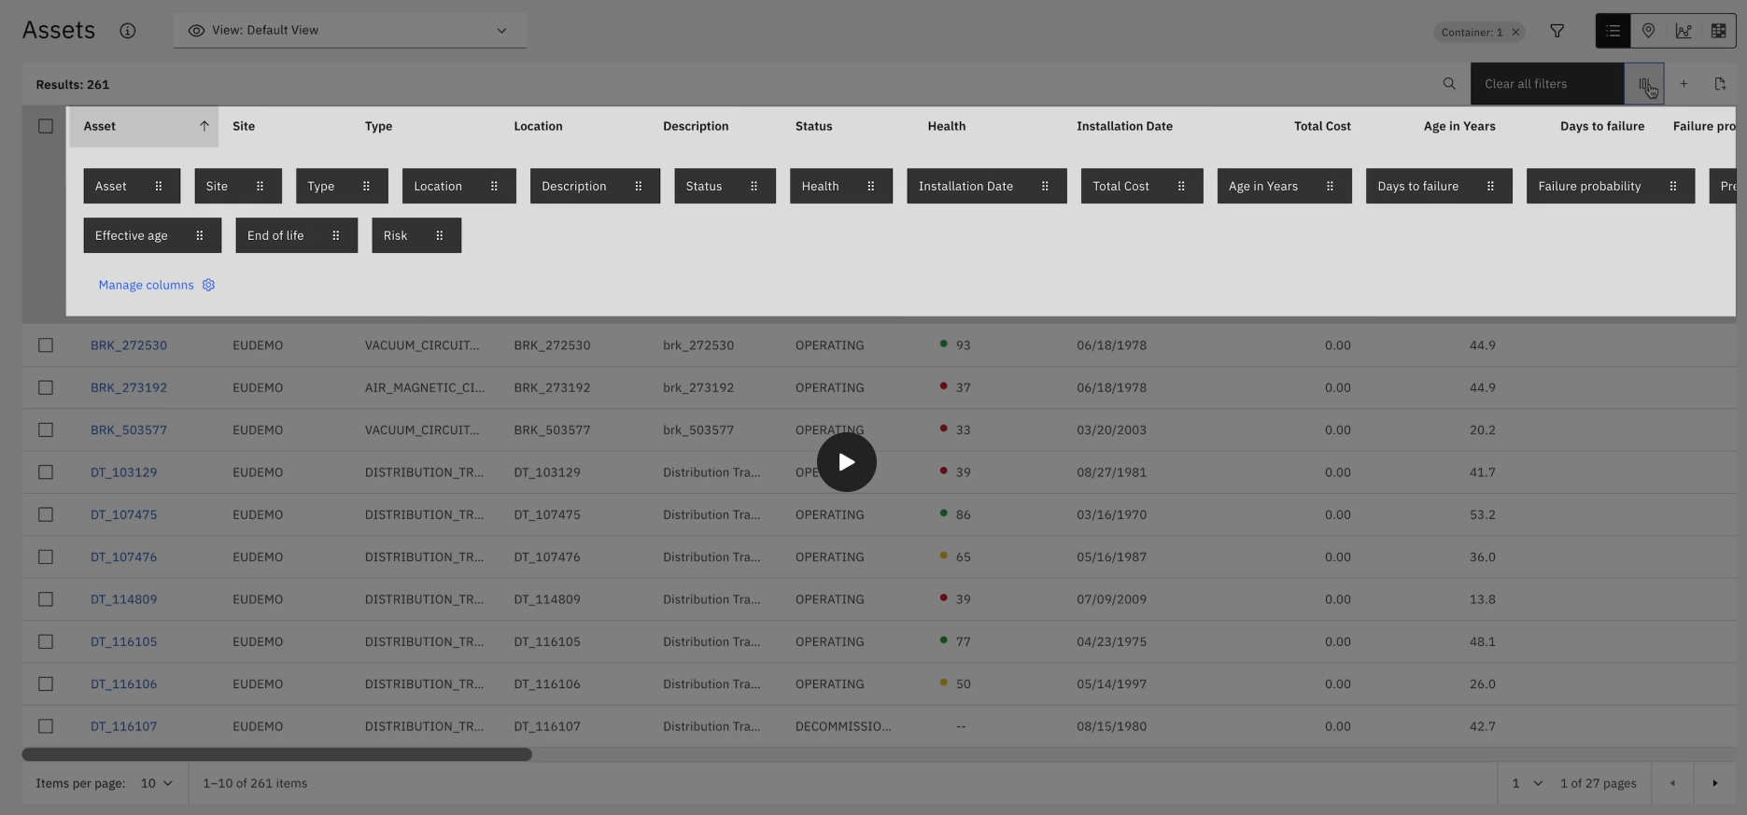
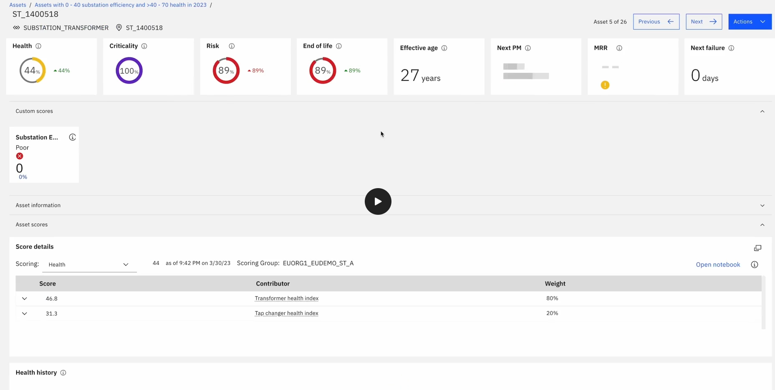
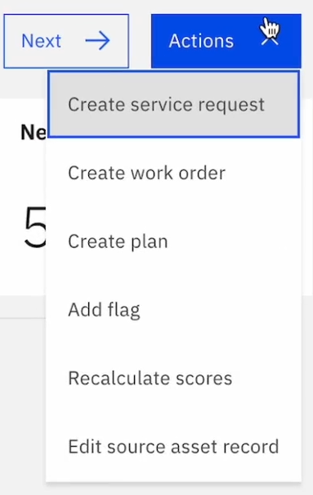
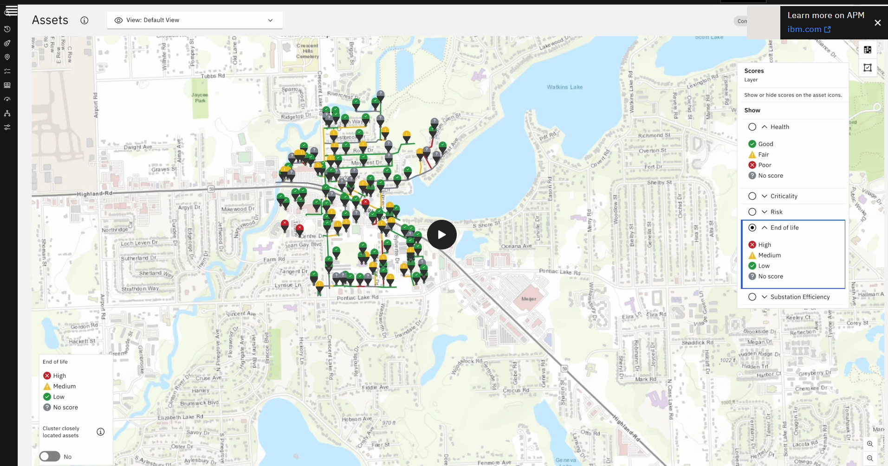
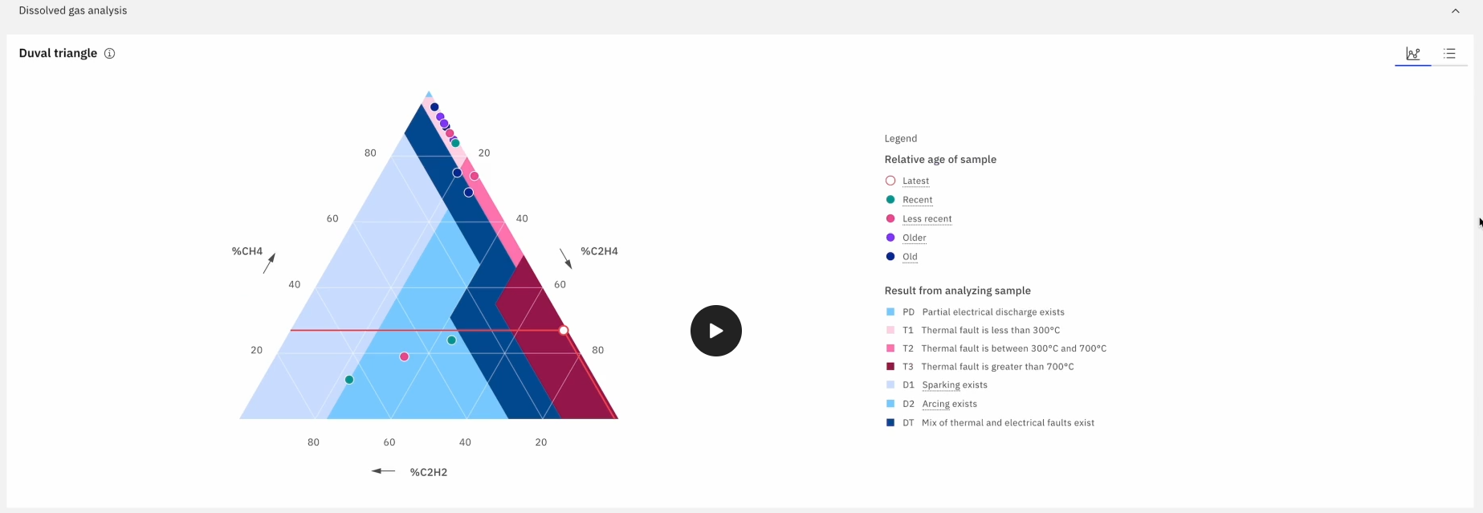
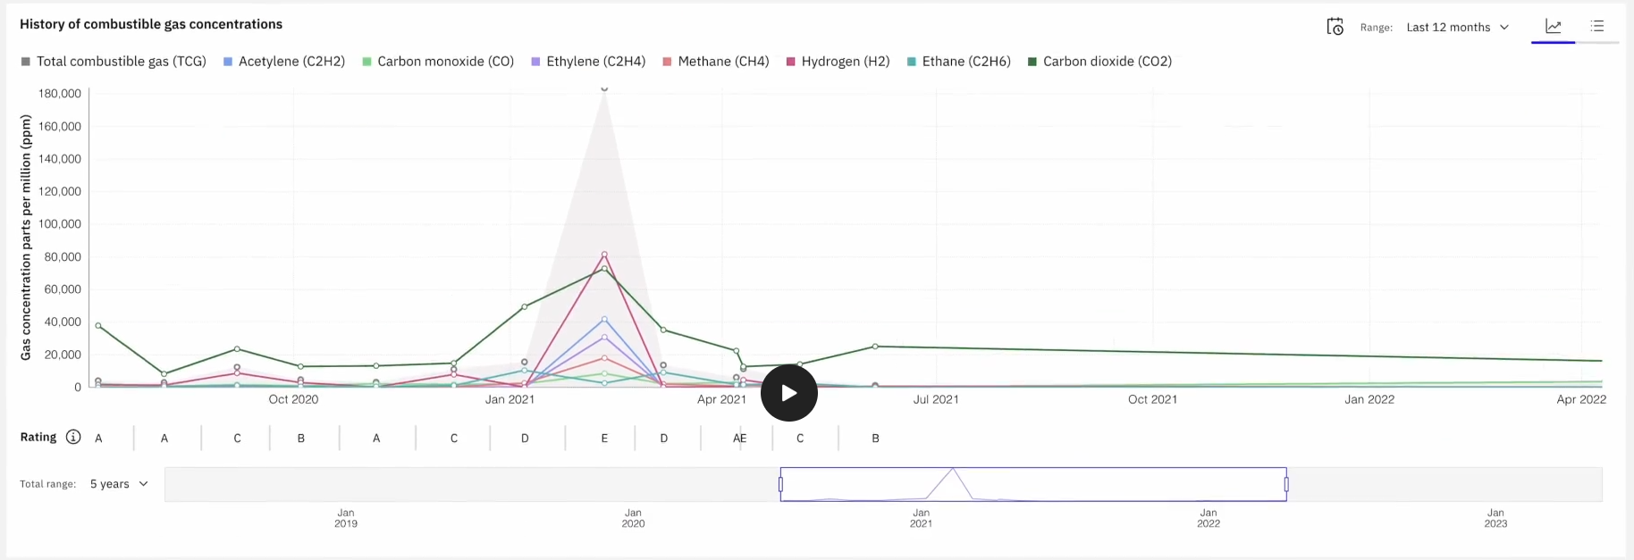
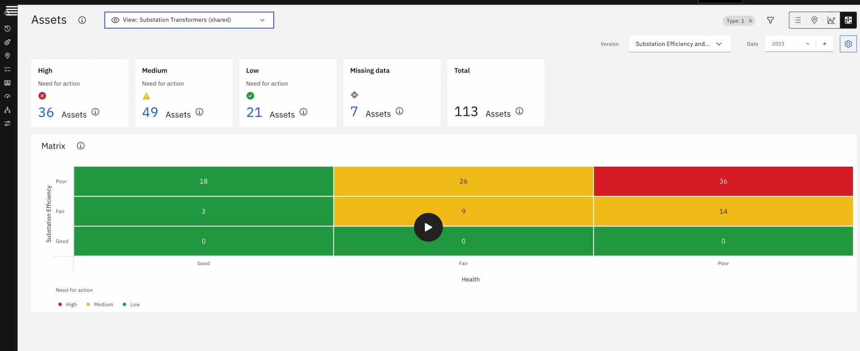
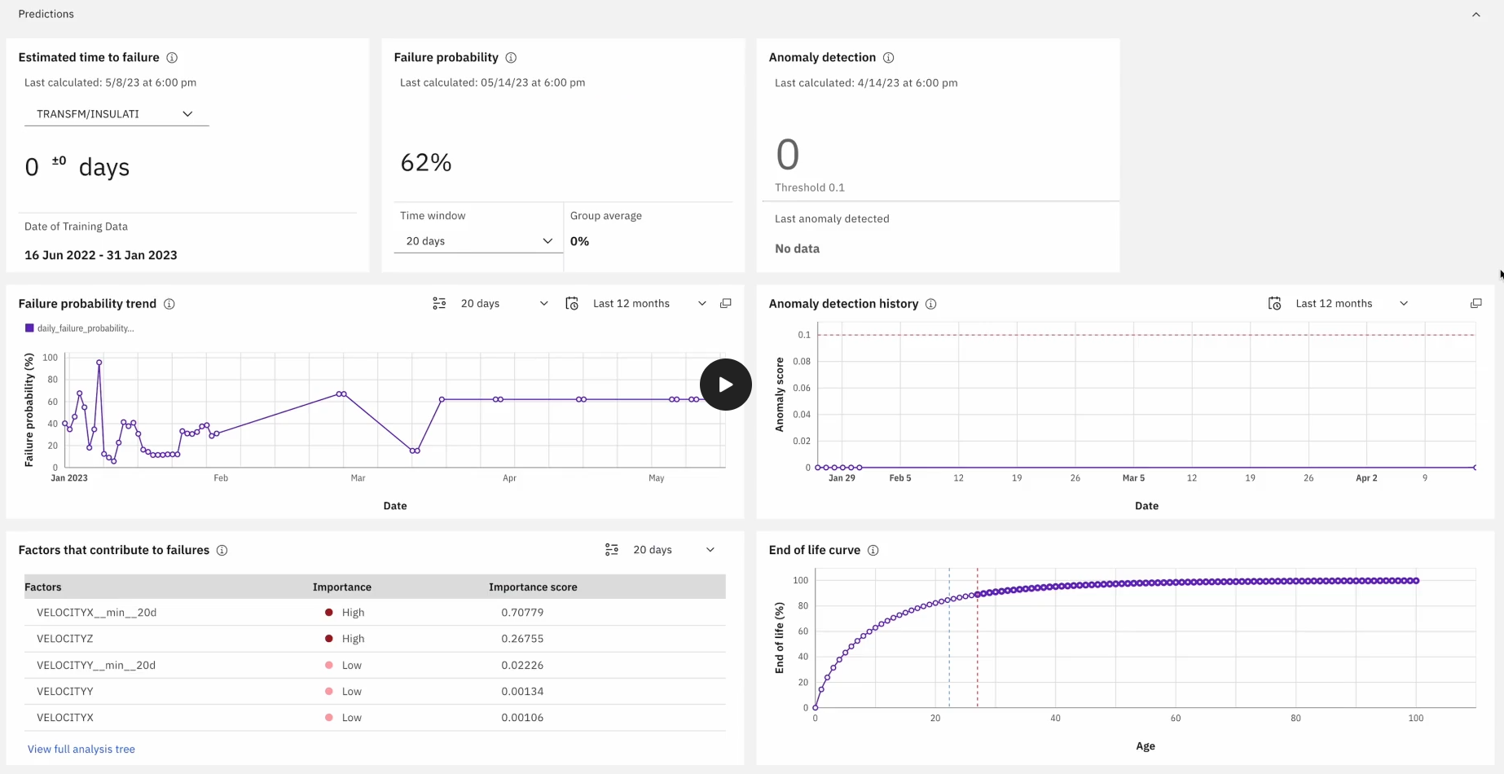
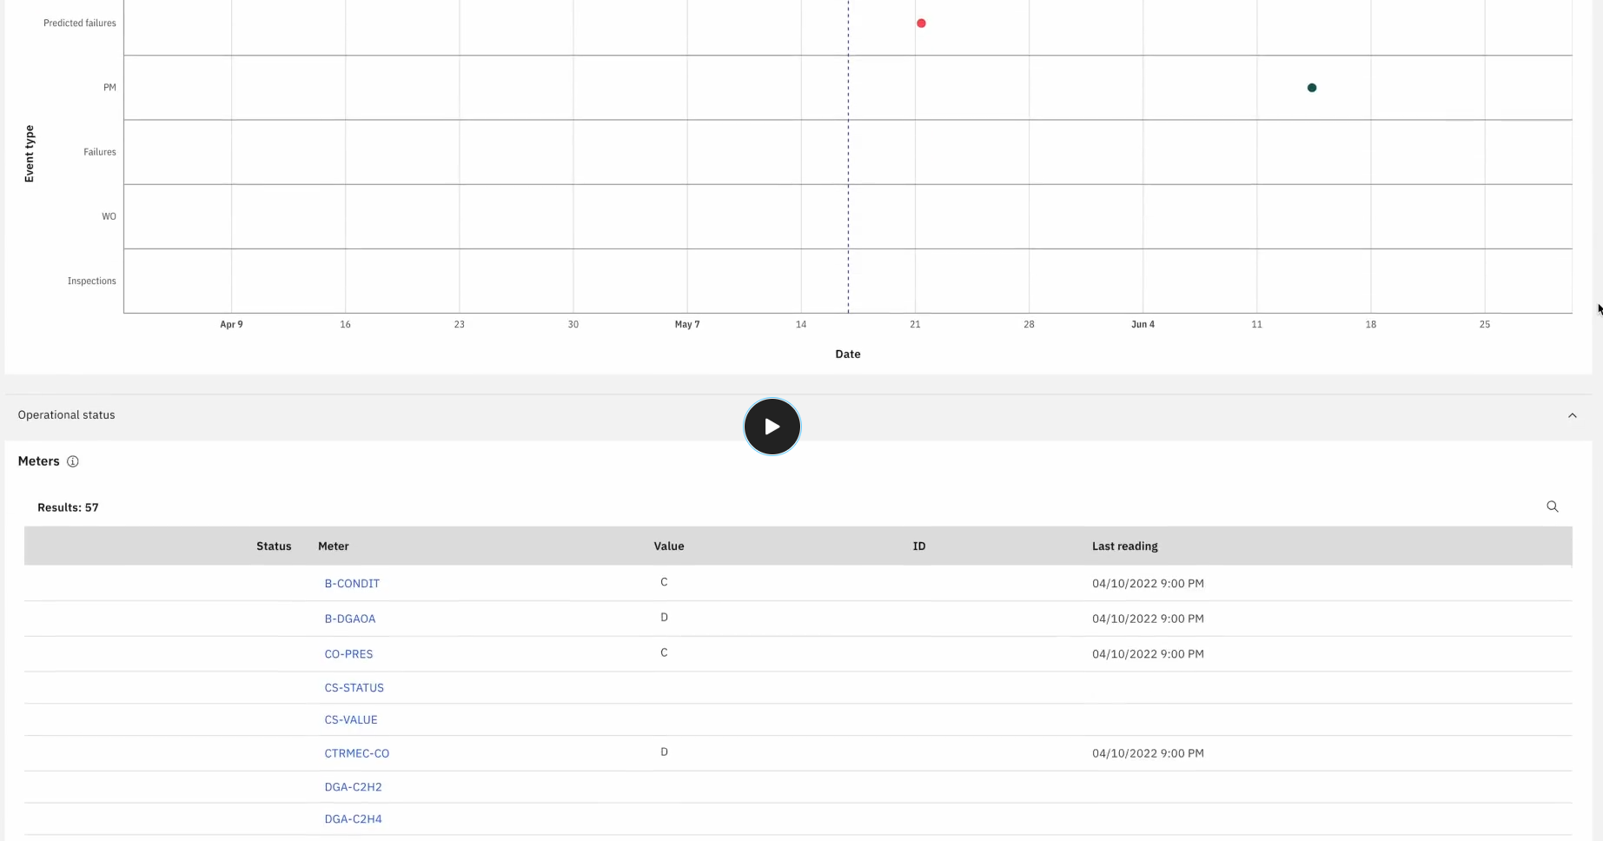
https://www.ibm.com/products/maximo
 | Travel&Transportation | - | Maintenance: 创建工单， 指导检查项
 | Energy&Utilities | - | Device healthy: device score, diff charts | https://www.ibm.com/products/maximo
 | Manufacturing | - | predict: labling and detect | Device healthy & Predict
 | Government | - | managers, operators, engineers, technicans, | https://www.ibm.com/products/maximo/product-tour
 |  | https://www.ibm.com/products/maximo/public-sector
 |  | https://www.ibm.com/products/maximo/product-tour
 |  | 报警,确认生成工单,检查申请润滑剂,审批,领料处理,检修知识归档
 |  | Alerts: 设备报警/预警, 工单/审批状态通知
 |  | 信息关联: 实时/历史值报警, 检查工单(Image/Video), SOP, 备件申请领用, 关联切换备用水泵任务工单, 设备历史参数/维修/规格等数据
 |  | AI: 实时值预警, 检修辅助Assistant, 检查记录归档, Device Health Score
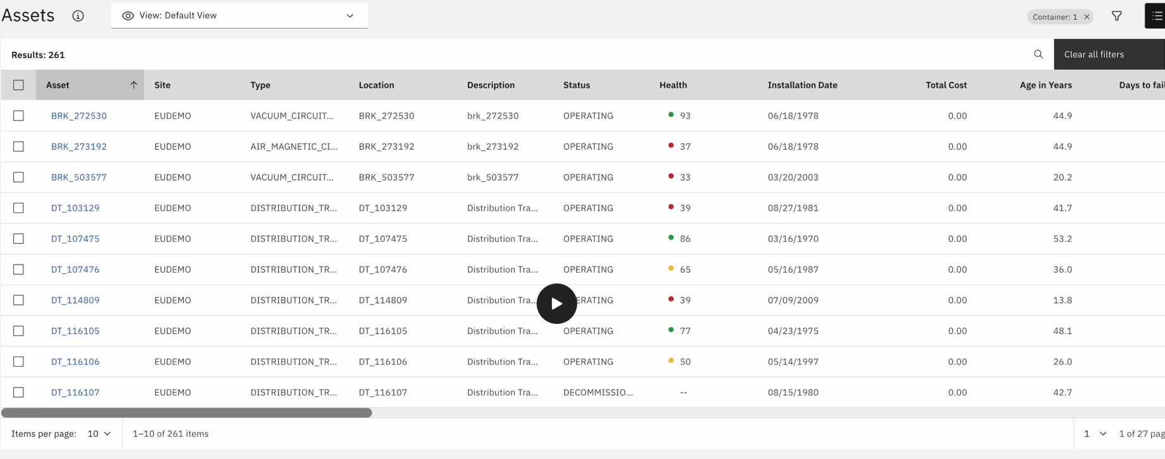
 |  | 甘特图: 维修/检查管理(人力、WO事项)

IBM 维保
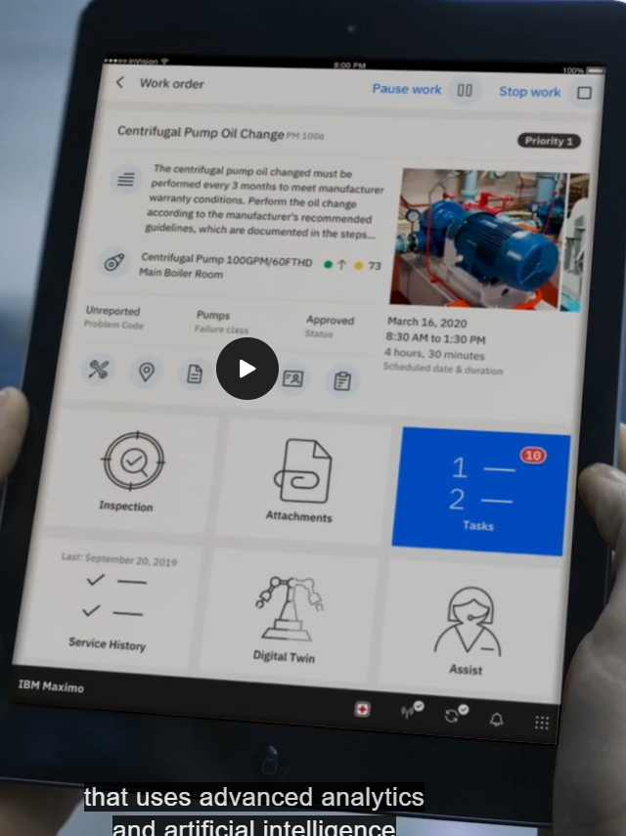
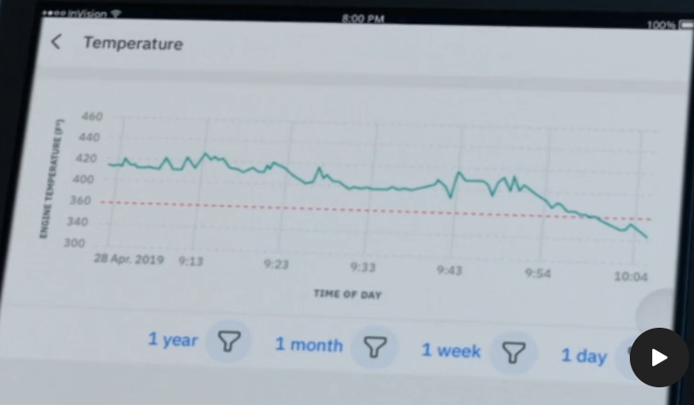
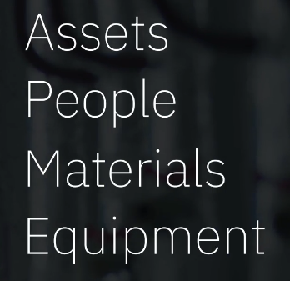
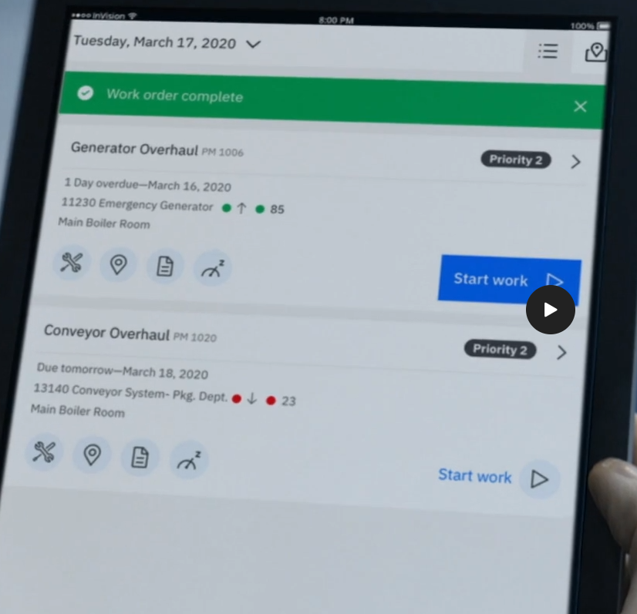
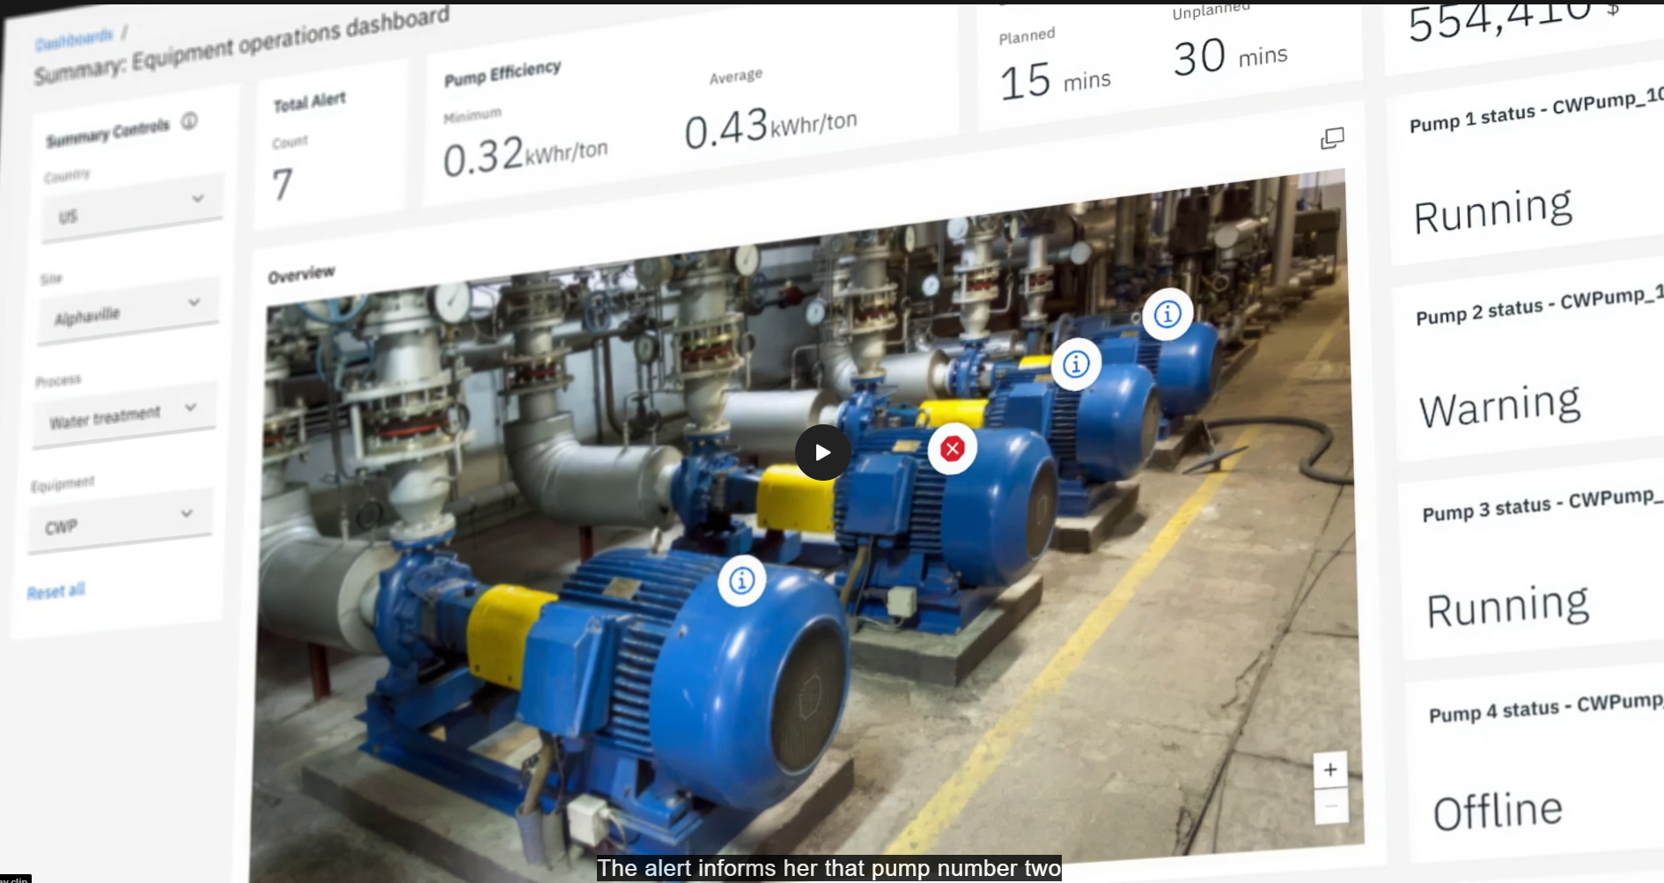
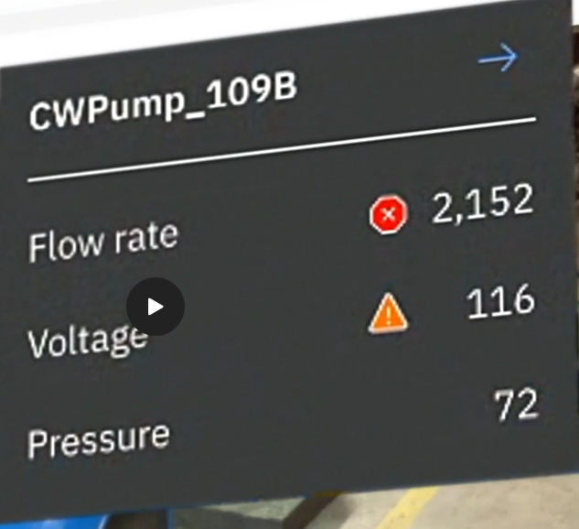
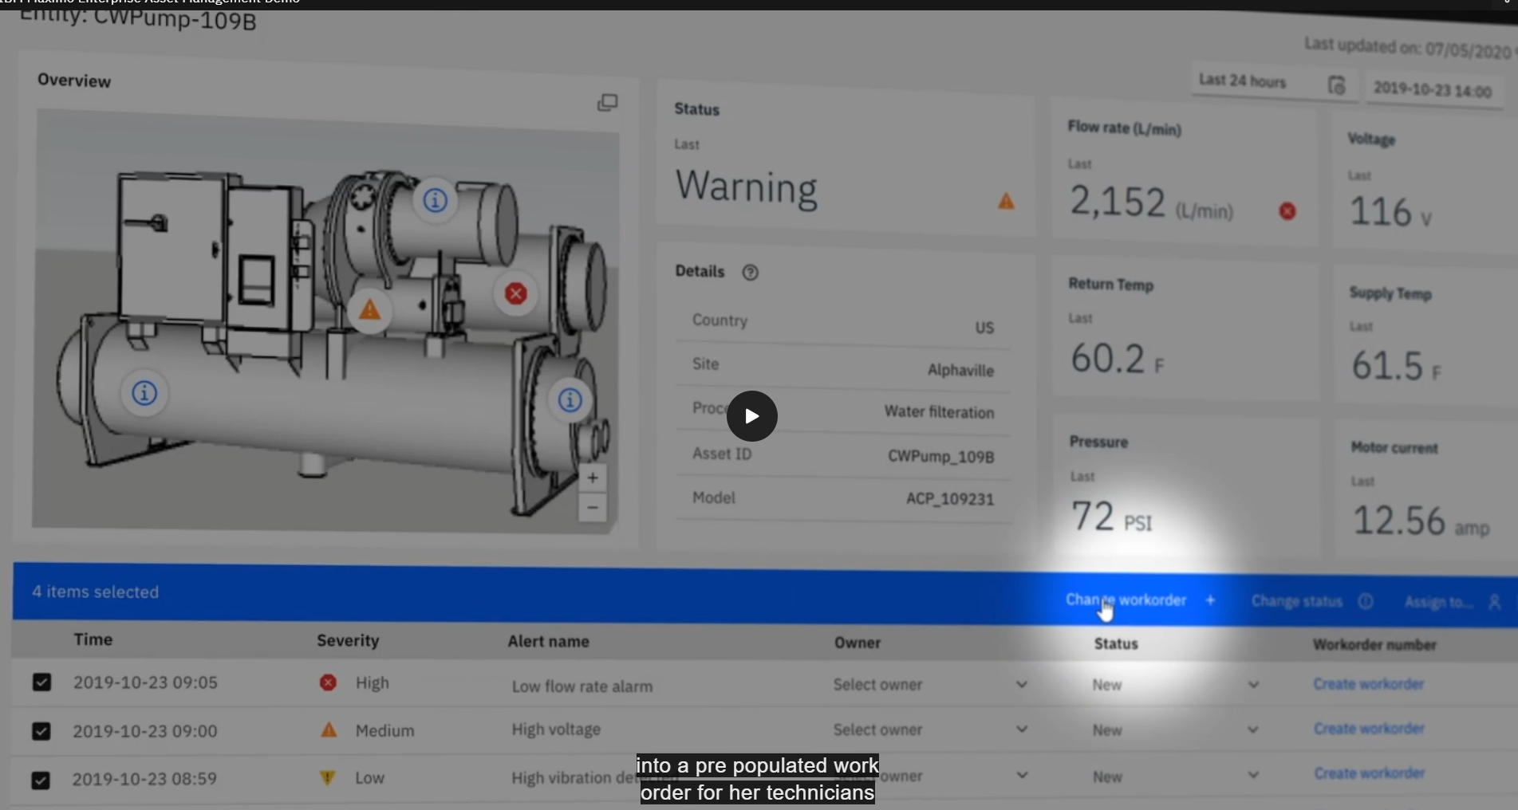
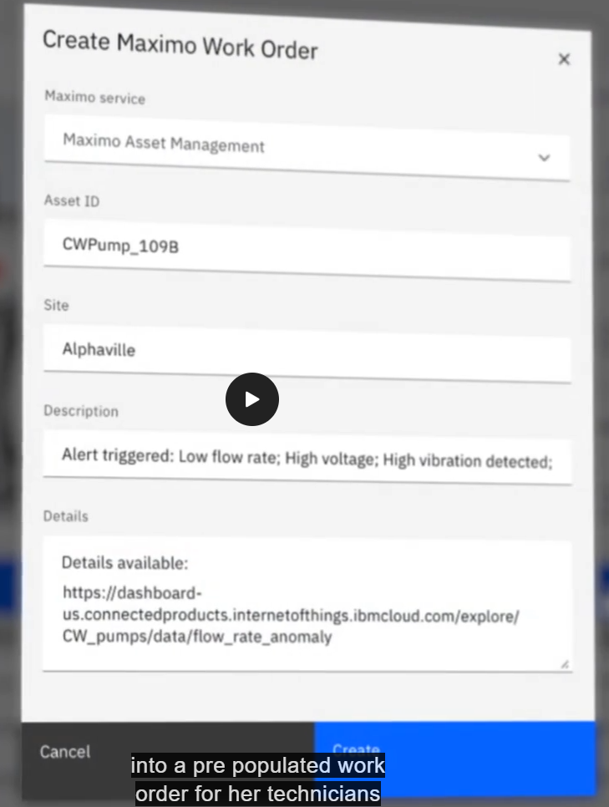
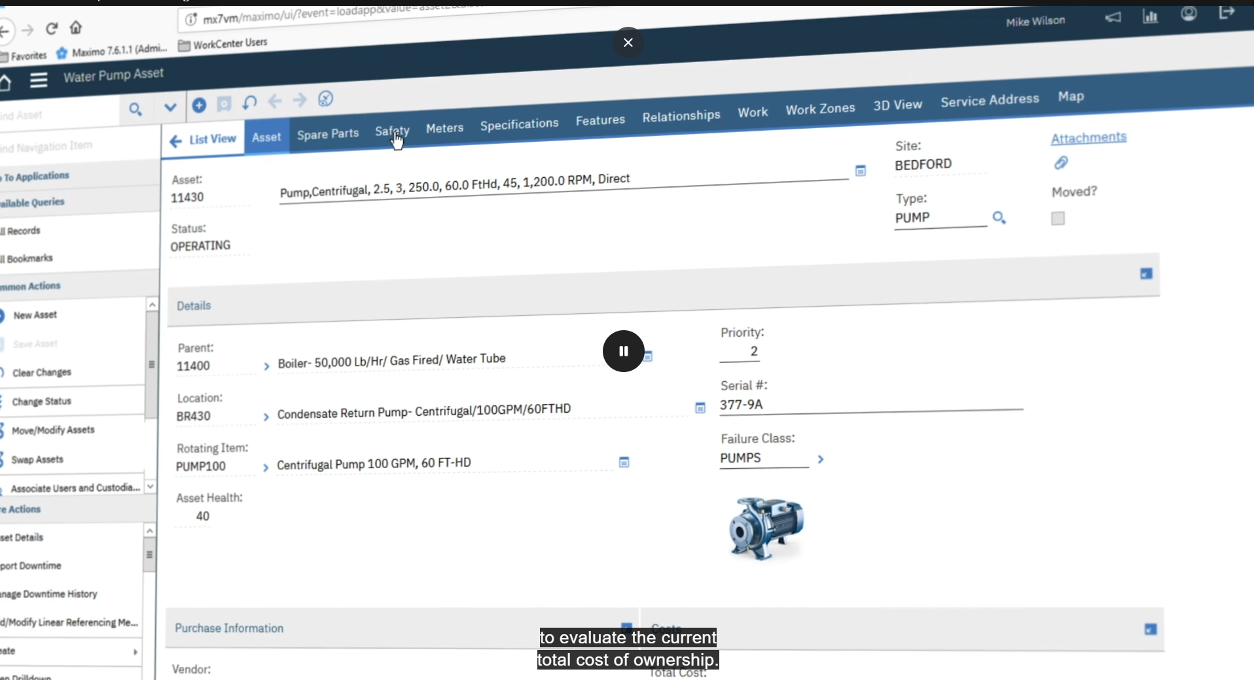
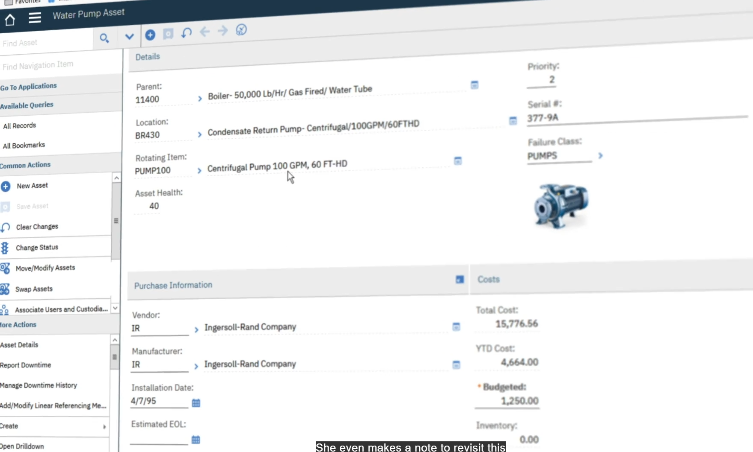
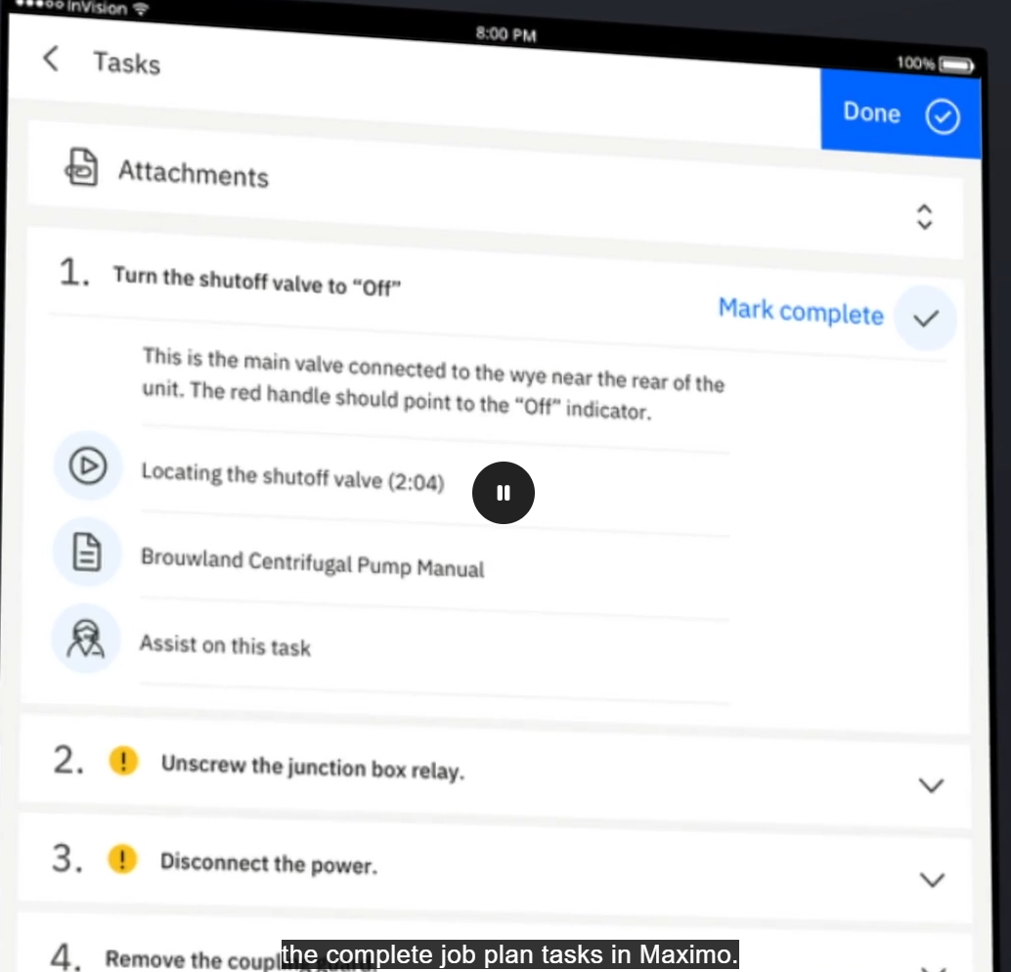
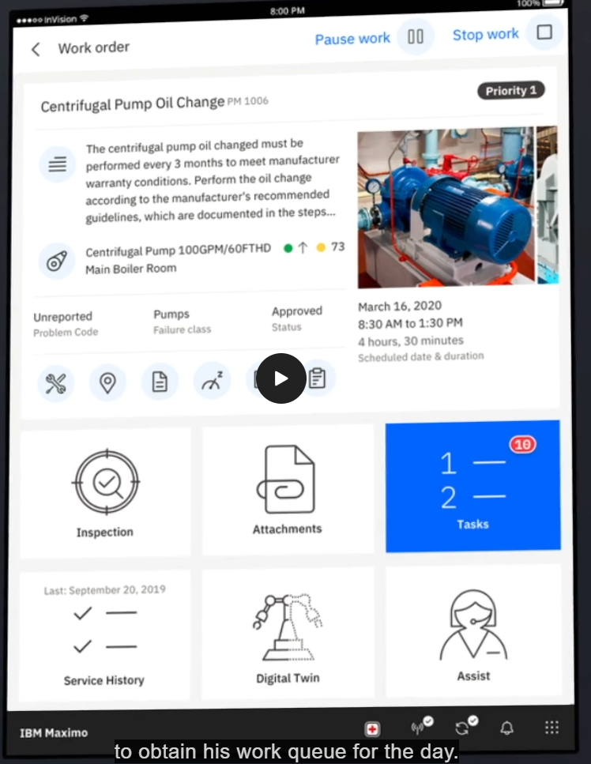
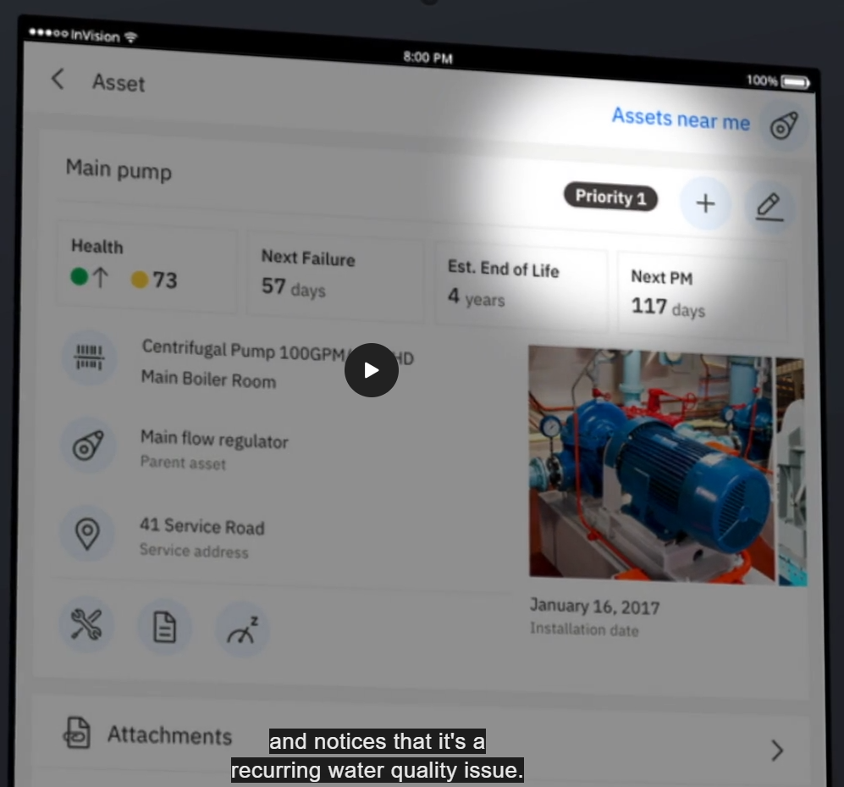
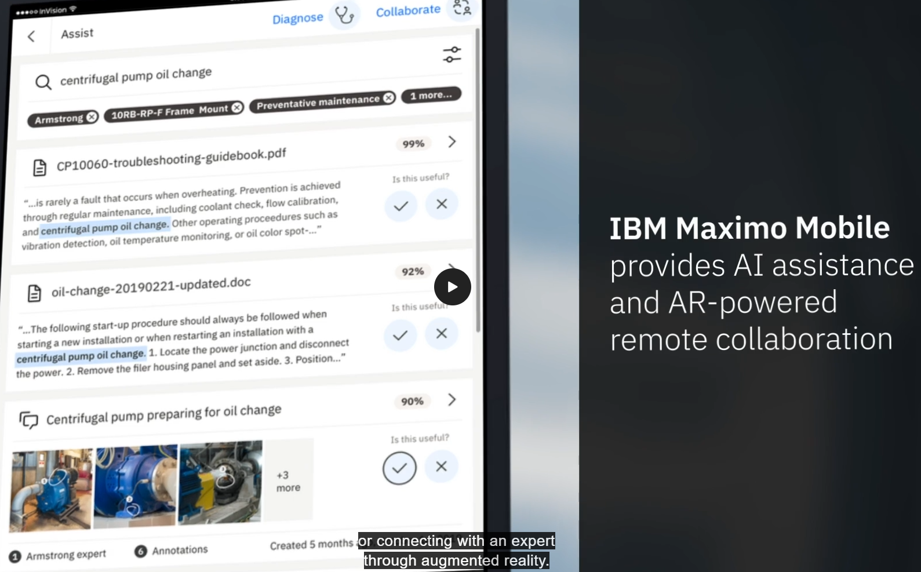
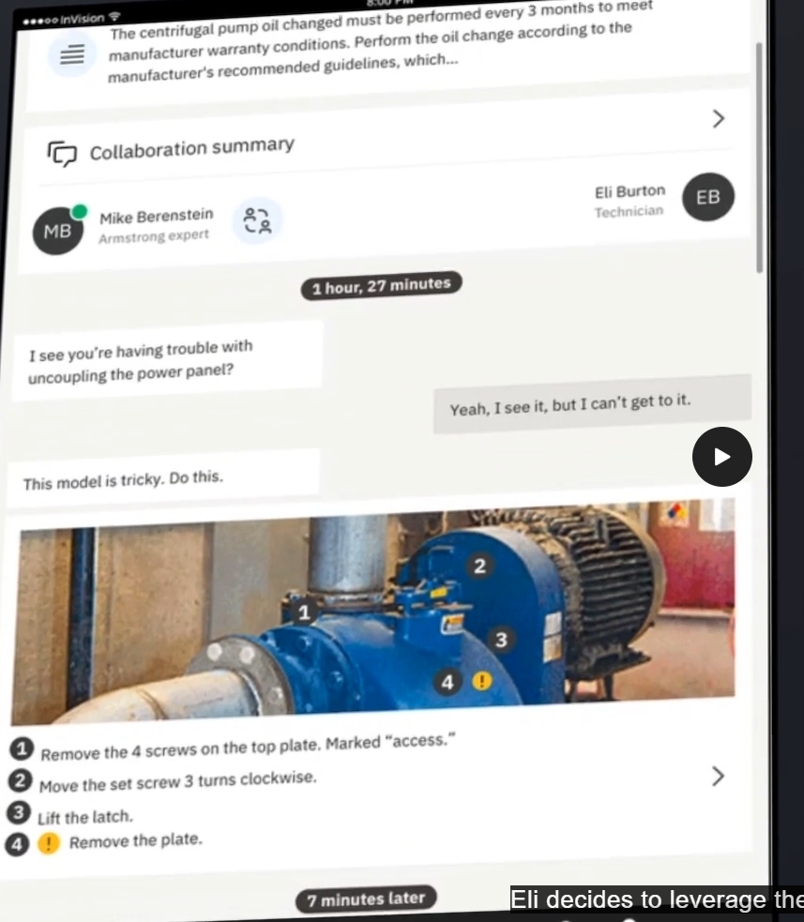
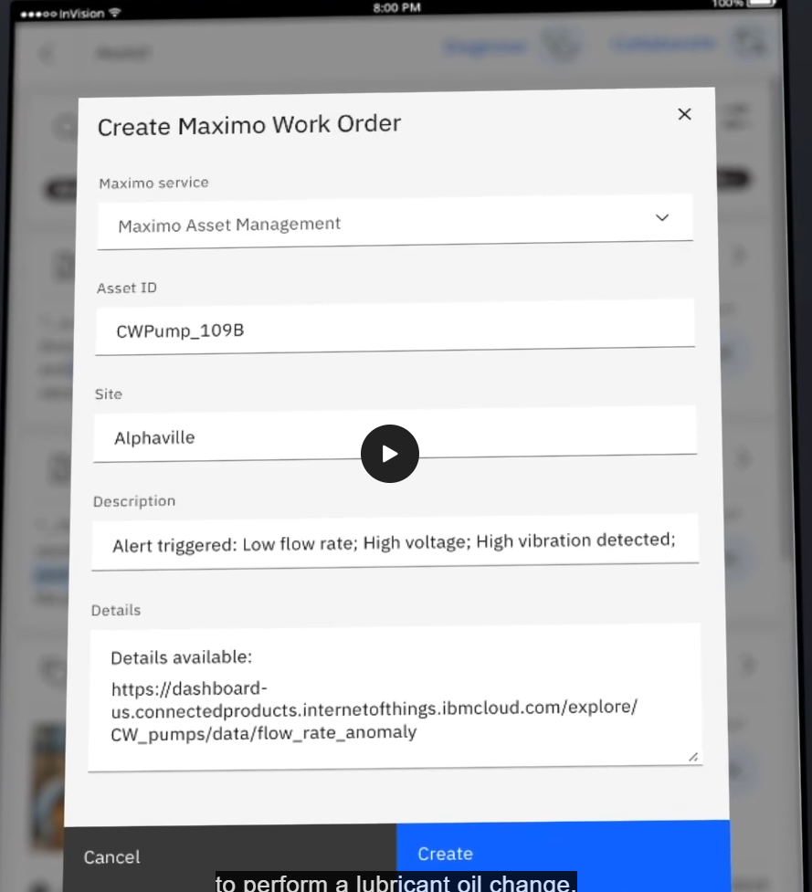
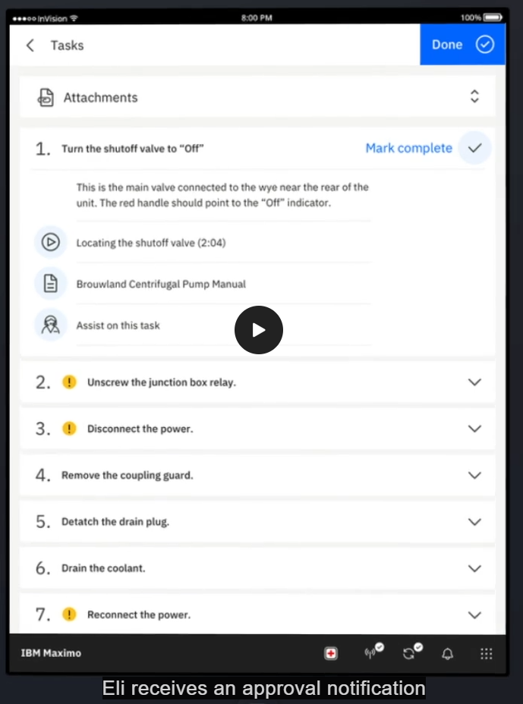
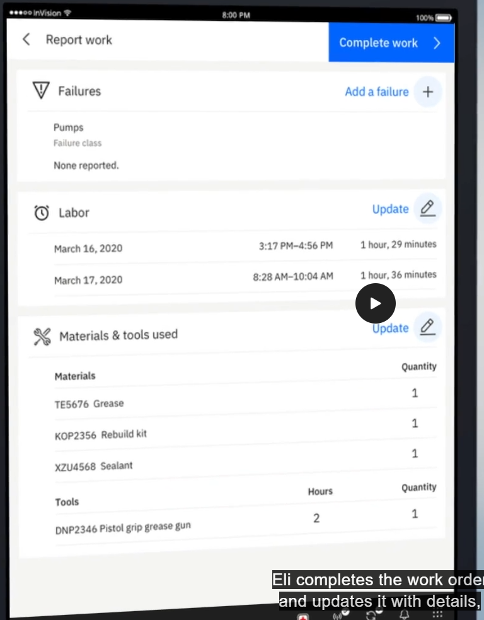
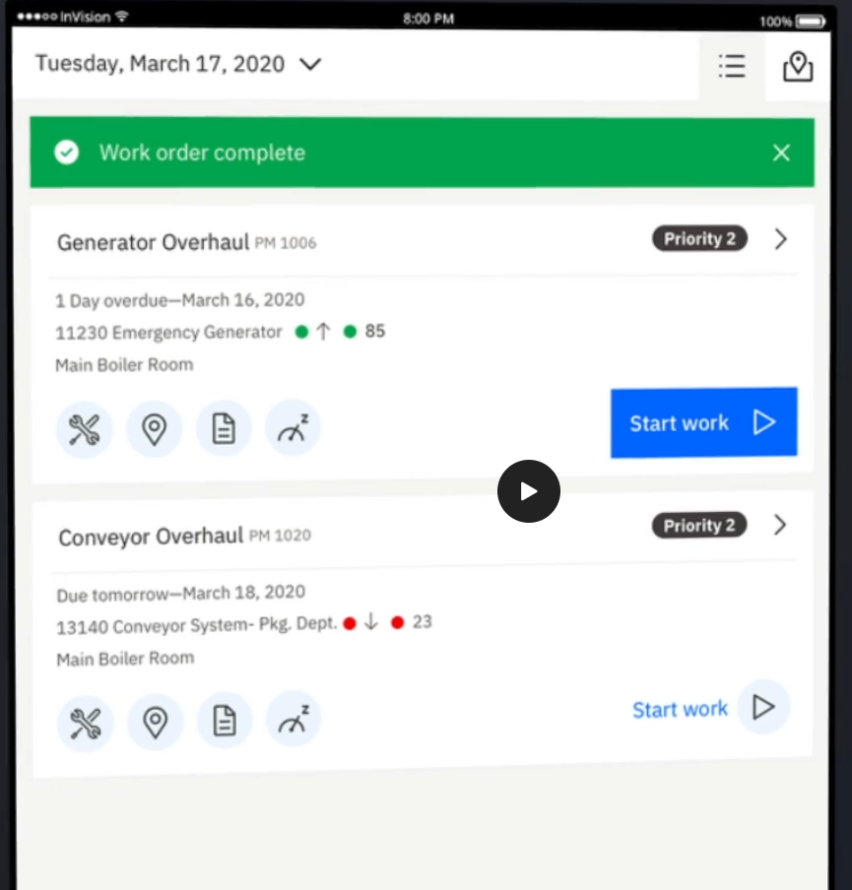
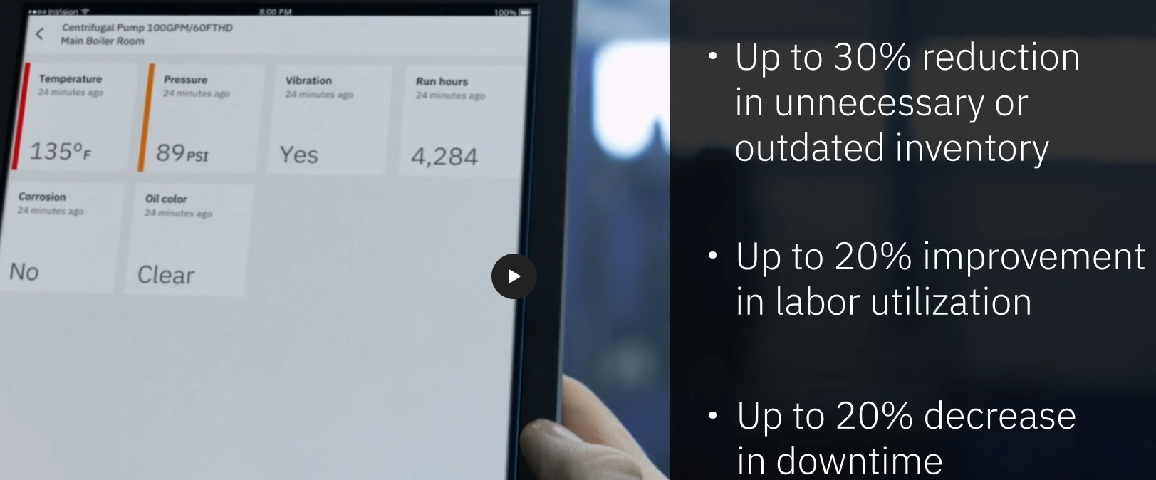
https://www.ibm.com/products/maximo/public-sector

